Sheet1
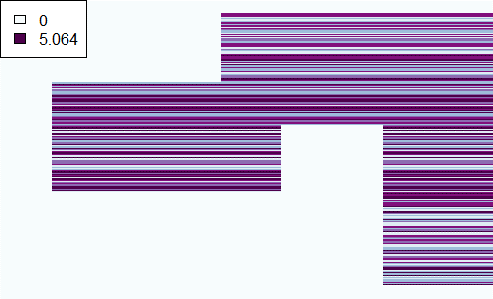
gendata3
Algo run twice, 0:2 biclusters
 |  | Completed | Error
Uncentered | simdata3 | 1000 | 0
 | gendata3 | 1000 | 0
 | simdata5 | 987 | 13

Centered | simdata3 | 1000 | 0
 | gendata3 | 1000 | 0
 | simdata5 | 1000 | 0

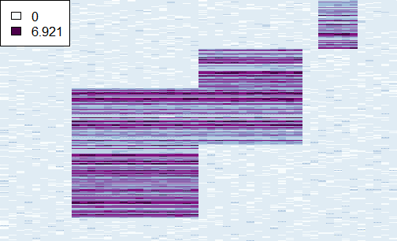
simdata3
Algo run twice, 0:6 biclusters
 |  | Result
 |  | 1 | 2 | 3 | 4 | 5 | 6 | Error
Uncentered | simdata3 |  |  | 2 | 924 | 63 | 11
 | gendata3 |  |  | 4 | 339 | 657
 | simdata5 | 58 | 126 | 114 | 137 | 201 | 352 | 12

Centered | simdata3 |  | 2 | 930 | 59 | 6 | 3
 | gendata3 |  | 2 | 921 | 69 | 6 | 3
 | simdata5 |  |  | 944 | 50 | 4 | 2

Error occurs when any of the two runs for 0 or 1 bicluster fails


simdata5
Example error:
 | Number of biclusters
 | 0 | 1 | 2 | 3
1 | 2.2323 | 1.2323 | 0.12323 | 0.0001
2 | 6.1231 | NA | 2.3123 | 0.02351
Run

